Overview
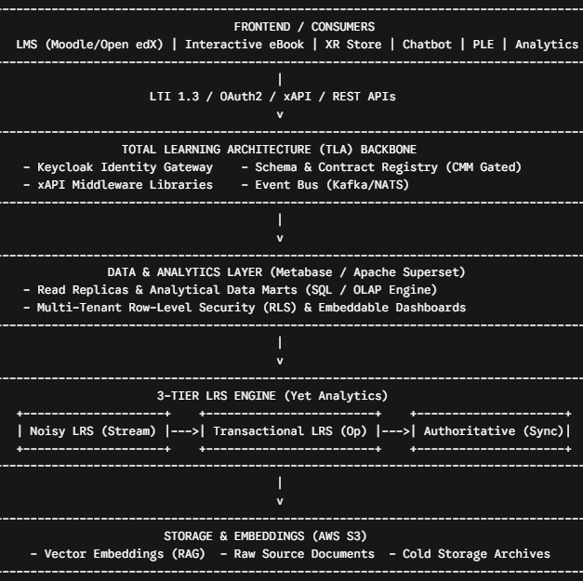
1. Whole-Product Architecture Overview
The product is architected as four backbone layers that every functional component sits on top of. Getting these four right is what makes the rest of the product modular.

1.1 Total Learning Architecture (TLA), The Backbone | The TLA is the backend/backbone of the entire product, built on the ADL TLA reference architecture with IEEE learning-technology standards. Every component connects to it, never to each other directly, through published interfaces. Its own engineering maturity is tracked against CMM (Capability Maturity Model) levels, and a component's contracts must meet a minimum CMM level before going live on the backbone.
1.2 LMS Layer, Moodle / Open edX, Multi-Tenant | Delivery runs on Moodle or Open edX, deployed multi-tenant so multiple client organizations share one platform with isolated tenants, branding, and rosters . All tools reach the LMS only through LTI 1.3 Advantage, which is what keeps the LMS choice itself replaceable .
1.3 Learning Record Store (LRS), Yet Analytics, Three Tiers | Built on Yet Analytics, the LRS is split into three logical stores so raw, operational, and audit-grade data never mix : 1.Noisy LRS: Raw firehose of every xAPI statement, including malformed or low-value ones; feeds the Analytics Dashboard heatmaps, Metabase / Superset analytical datasets, and the PLE's session-analytics pipeline . 2.Transactional LRS: Validated, de-duplicated statements used for real-time grade, attempt, and progress read/write by the tools . 3.Authoritative LRS: Certified, immutable statements used for compliance records, competency profiles, and CMM evidence.
1.4 xAPI, IEEE Standards Throughout | All learning-experience data, from every component, is expressed as xAPI 1.0.3 statements conformant to IEEE 9274.1.1, submitted and retrieved exclusively through the xAPI Middleware (Component C4) . This is the single common language every component speaks, which makes cross-component data (e.g., an XR Store session feeding the PLE) possible without custom integrations .
1.5 Business Intelligence & Analytics Data Layer (Metabase / Apache Superset) | For platform-wide reporting, data visualization, and custom query exploration, Metabase or Apache Superset serves as the open-source analytics engine. It connects directly to read-replicas of the Transactional and Noisy LRS stores and PostgreSQL analytics marts (never touching live operational write paths). It supports multi-tenant Row-Level Security (RLS) and exposes embeddable charts and dashboards directly into the LMS, PLE, and instructor portals via signed JWT tokens.
1.6 AWS for Embeddings & Content Storage | AWS S3 buckets store source documents and generated vector embeddings used by the SME Chatbot, the DCT's RAG knowledge base, and the Interactive eBook's semantic search / microlearning recommendations, a shared, durable object store behind an open API rather than embeddings locked inside any one component .

2. Modular Open Systems Architecture (MOSA), Product-Wide Approach
MOSA is a design discipline, not a single technology: every component exposes its capability through an open, published, standards-based interface, and no component is allowed to depend on another component's internal implementation . Applied across the whole product, MOSA shows up in five consistent rules :

2.1 Standards over custom integration: | xAPI 1.0.3 / IEEE 9274.1.1, LTI 1.3 Advantage, ADL PeBL, and OpenAPI/AsyncAPI contracts are used everywhere a proprietary integration could otherwise creep in .
2.2 Broker, not point-to-point: | Components talk to each other only through the TLA/xAPI Middleware or standardized read-replica data layers, never directly to another component's operational write database .
2.3 Independent lifecycle: | Each component has its own repository, build pipeline, and release cadence, so the Analytics Dashboard / Metabase views can ship weekly while the LRS ships quarterly .
2.4 Interchangeable implementation: | The LMS (Moodle <-> Open edX), the LRS (Yet Analytics <-> any ADL-conformant LRS), the BI engine (Metabase <-> Apache Superset), and even individual tools can be swapped without touching the rest of the product, as long as the published contract is honored .
2.5 Composition over duplication: | Components reuse each other's published capability (e.g., Difference Training Application calls DCT's content generator) instead of re-implementing it .

3. Cross-Component Build Plan by Discipline

3.1 Suggested Build Phasing

Phase | Focus | Components
Phase 0: Backbone | Stand up TLA, Keycloak identity, LRS 3-tier, xAPI Middleware, Metabase / Superset BI foundation, base multi-tenant LMS . | C1, C2, C3, C4, C5
Phase 1: Core Delivery Tools | LTI integration layer, Assessment tool, Interactive eBook . | C7, C6, C11
Phase 2: Intelligence Layer | Analytics Dashboard, Metabase / Superset Dashboards, PLE, Competency Assessment Tool . | C5, C12, C8
Phase 3: Personalization & Gap Training | DCT, Difference Training Application . | C9, C10
Phase 4: Knowledge & Immersive | SME Chatbot (with telemetry reporting), XR Store . | C13, C14

3.2 Discipline Rollup

Discipline | Primary Technologies Across the Product | VIBE Engineering Intensity
Frontend | React / TSX (Vite), Streamlit + Plotly, Metabase / Superset Embedded iFrames, React Native (XR Store), Moodle/Open edX themes . | High: UI scaffolding VIBE-built, human-reviewed for accessibility and UX consistency .
Backend | Node/Python services behind TLA API gateway, LTI 1.3 services, Keycloak, JSON/document stores per tool . | Medium: CRUD & boilerplate VIBE-built; Auth, grading, and multi-tenant RLS logic hand-built .
Data & AI | RAG pipelines, vector DB + AWS S3 embeddings, Metabase / Apache Superset SQL data marts, LLM semantic grading, rule-based PLE risk engine, ETL between LRS tiers . | Medium: Pipeline scaffolding VIBE-built; scoring/grading and RLS logic requires SME validation .
DevOps / Infra | CI/CD, IaC, service mesh, multi-platform build (iOS/Android/Windows), CMM audit tooling . | High: Pipeline and IaC scaffolding VIBE-built; production release gates human-approved .

4. Standards & Compliance Matrix

Standard / Specification | Architectural Governance Scope | Applied In Components
ADL TLA Reference Architecture | Enterprise backbone topology & service interaction | C1 (TLA)
IEEE 9274.1.1 (xAPI) | Learning-experience statement format | C1, C3, C4, C5, C6, C8, C9, C10, C11, C12, C13, C14
IEEE 1484.1 (LTSA) | System architecture reference model | C1 (TLA)
LTI 1.3 / LTI Advantage | LMS launch, deep linking, grade sync, rostering, groups | C2, C6, C7, C9, C10, C11
ADL PeBL | Portable, accessible eBook packaging | C11 (Interactive eBook)
IMS OneRoster | Roster interoperability | C2 (LMS)
OAuth2 / OIDC (Keycloak) | Identity and token issuance | C1, C2, C4, C5, C7
ANSI SQL / OIDC / JWT | Database querying & embedded dashboard security | C5 (Metabase / Superset)
WCAG / ADA | Content accessibility | C9, C11
AES-256 / TLS | Data encryption at rest and in transit | C13 (SME Chatbot), All Client Stores

